Rock Armouring
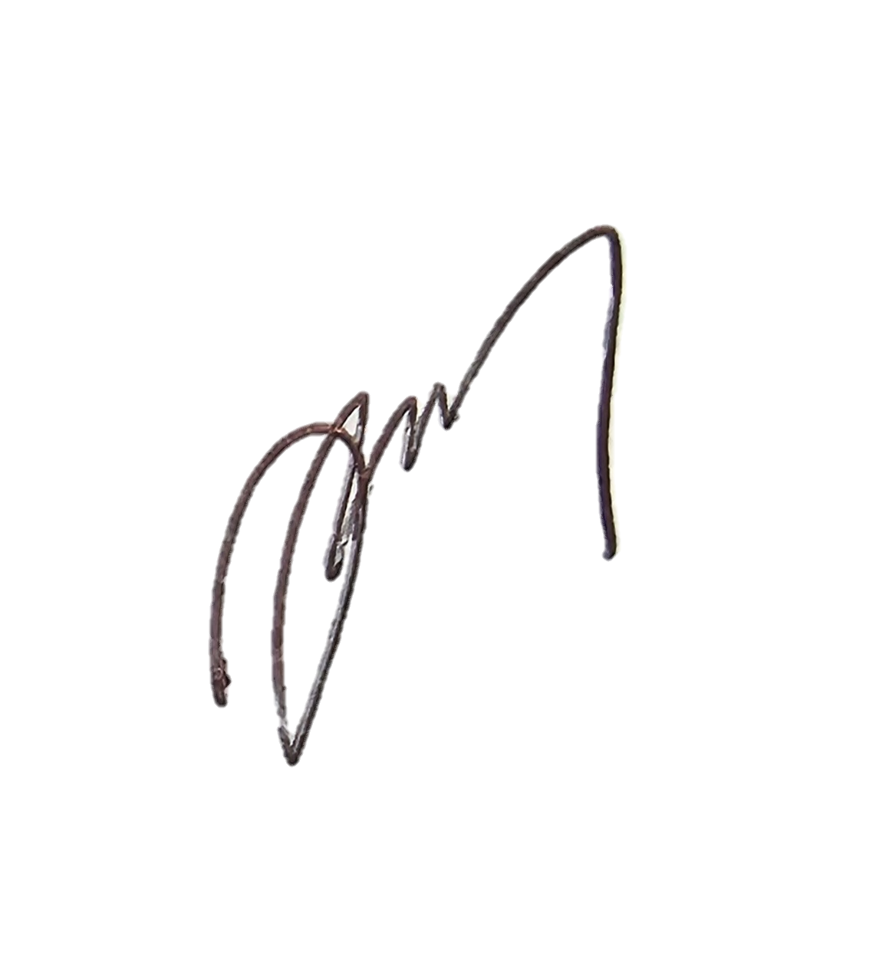
 |  |  |  | Inspection Test Plan |  |  | Approver / Signatures |  | Project Site reps.
 |  |  |  | Contract Name: | F3002G Mangahuini Sheet Pile Wall |  | CPS Approver | Quality Approver | CPS Eng.
 |  |  |  | Procedure: | Rock Armouring |  | Name / Signature | Name / Signature | Site Engineer
Inspection & Test Plan / Checklist |  |  |  |  |  |  | 8.12.2023 |  | Quality Eng.
Lot No:F3002G |  |  |  | Corresponding Work Instruction: |  | (insert Sharepoint link to Construction Work Plan folder here) |  | Compliance with Work Instructions and Specifications
Detailed Location:SH35 R.5 RP.225/9.44
Chainage:
No: | Inspection / Test Point | ACTION (Hold, Monitor, Witness) | Detail | Frequency | Inspection / Test Method submission, visual inspection, testing, measure, review | Conformance Criteria | Records | Initials | CPS Engineer Initials (Grey if not required) | Date(s)
1 | Survey Setout | H | Set out extents and check against design drawings | Prior to commencement | Survey | Consistency with Construction Drawing | Survey receipt | Site Engineer | CPS Engineer
2 | Geotextile material | W | Geotextile filter fabric to be compliant with Bidim A49 or similar approved | Prior to commencement of placement | Document review | The material shall be non-woven geotextile and comply with TNZ F/7: 2003 meeting filtration class 1, strength class E requirements. | Material certificate(s), Photo's | Site Engineer
3 | Rip Rap Grading | H | Rock Armouring Construction Material compliant with Rock Rip Rap Grading tableas per Typical Sections Views sheet S03 Rev 1 | 1 test per 75m3 | Lab Testing, Visual inspection | 100% smaller than 2400Kg, 20% greater than 1000Kgs,50% greater than 600kgs 80% greater than 175Kgs. Stone shape shall be as close as possible to cubical. Long, thin, slabby shapes are unacceptable. | Lab Test Report, Photo's | Site Engineer | CPS Engineer
4 | Geotextile Filter fabric installation | W | Filter fabric shall be placed under rock and against the end faces of the excavation as per design/drawings | Prior to placing rock fill | Visual inspection | Placement of fabric shall be as per design shown on Typical Sections Views sheet S03 Rev 1 and be laid/overlapped as per manufacturers recommendations | Photo's | Site Engineer
 |  | M | The Contractor shall take care not to damage the fabric during installation. Any tears shall be repaired at the Contractors expense by placing additional fabric over the damaged area | Pre/ During install | Visual Inspection | tears shall be repaired by contractor | Photos | Site Engineer
5 | Armour/Riprap Placement | H | Ensure that rock material is placed in such a manner to minimise segregation. Rock is not to be end dumped or allowed to fall from an appreciable height. Oversize rock to be placed such to minimise voids. CPS Engineer given notice to visually inspect initial placement of riprap material | Daily visual check | Visual inspection | As per design/drawings. Rock toe construction to be sighted and approved by CPS Engineer | Photo's, CPS COR Report | Site Engineer | CPS Engineer
8 | As-built Survey | H | Ensure cut/fill slopes comply with design prior to next process taking place | Prior to placing topsoil/pavement/ finished surfaces | Survey / Drawings | As-built Survey & Drawing Mark-Ups to be reviewed and accepted by CPS Engineer | As-builts, CPS COR Report | Site Engineer | CPS Engineer
9 | Quality Assurance deliverables | W | Red line mark up drawings to be reviewed and accepted. All NCRs and RFIs are closed and included with Handover QA file. | At completion of Lot | Document Review | Ensure all QA is uploaded into ConQA / Procore | As-builts, NCR's and RFI's | Site Engineer
10 | Completion Sign Off From Fields Below |  |  |  |  |  | Signatures | PM | CPS | QM

Comments:

IFC Drawings used for Construction incl. Rev numbers:

Reference Documentation (Notices/NCRs etc.):

QA Compiled By : |  |  |  |  | Signature: |  |  | Date:

QA checked By Discipline Manager: |  |  |  |  | Signature: |  |  | Date:

QA checked By Quality Manager: |  |  |  |  | Signature: |  |  | Date:

Accepted By CPS Manager: |  |  |  |  | Signature: |  |  | Date:

